Statistical Analysis
Class Averages
T-score | 71
T-score | 58
Implementing a CBT therapy group for anxiety? Now you can test the effectiveness of your your treatment using the MASC-2 group calculator.
STUDENT | Pre-Test | Post-Test | Pre-Treatment | Post-Treatment | Refer to | Pre & Post
NAMES | T-score | T-score | Anxiety Level | Anxiety Level | Mental Health | DIFF | D-D mean | Squared
Jeff | 77 | 59 | Very Elevated | High Average | Yes | 18 | 5.44 | 29.64
Darren | 68 | 63 | Elevated | Slightly Elevated |  | 5 | -7.56 | 57.09
Cynthia | 80 | 56 | Very Elevated | High Average | Yes | 24 | 11.44 | 130.98
Dorthy | 69 | 55 | Elevated | High Average |  | 14 | 1.44 | 2.09
Maria | 75 | 52 | Very Elevated | Average | Yes | 23 | 10.44 | 109.09
Sandy | 68 | 57 | Elevated | High Average |  | 11 | -1.56 | 2.42
Katrina | 65 | 55 | Elevated | High Average |  | 10 | -2.56 | 6.53
Ralph | 66 | 50 | Elevated | Average |  | 16 | 3.44 | 11.86
john | 77 | 60 | Very Elevated | Slightly Elevated | Yes | 17 | 4.44 | 19.75 | T-Score Range | Degree of Anxiety
High Average
Darren | 69 | 55 | Elevated | High Average |  | 14 | 1.44 | 2.09 | 70 + | Very Elevated
Geri | 64 | 59 | Slightly Elevated | High Average |  | 5 | -7.56 | 57.09 | 65 - 69 | Elevated
Joseph | 66 | 55 | Elevated | High Average |  | 11 | -1.56 | 2.42 | 60 - 64 | Slightly Elevated
Average range
Barbara | 73 | 65 | Very Elevated | Elevated | Yes | 8 | -4.56 | 20.75 | 55 - 59 | High Average
Henry | 76 | 67 | Very Elevated | Elevated | Yes | 9 | -3.56 | 12.64 | 40 - 54 | Average
Tara | 78 | 63 | Very Elevated | Slightly Elevated | Yes | 15 | 2.44 | 5.98 | 0 - 39 | Low
Judy | 64 | 50 | Slightly Elevated | Average |  | 14 | 1.44 | 2.09
Cindy | 74 | 68 | Very Elevated | Elevated | Yes | 6 | -6.56 | 42.98
Sam | 63 | 57 | Slightly Elevated | High Average |  | 6 | -6.56 | 42.98
Class Averages: | 71 | 58 | Very Elevated | High Average | 8 | 12.56 |  | 558.44
SUM = | 1272 | 1046
N = | 18 | 18
Mean = | 71 | 58
SD = | 5.57 | 5.38
Formula 1 = | 32.85
Formula 2 = | 1.35
See tab "df" for other critical values when the number of students is different from that shown in the example.
Within subjects t-test = | 9.29
degrees of freedom = | 17
t critical @ .05 = | 1.74 | This is the 95% confidence level.
t critical @ .10 = | 1.33 | This is the 90% confidence level.
Conclusion = 9.29 > 1.74. Therefore, with 95% confidence, the lower post-test T-score for the group likely resulted from the CBT intervention. In other words, the CBT intervention likely reduced the anxiety symptoms for the treatment group measured by the MASC-2.

Conclusion: | Significant difference at .05

Formula 1
Formula 2

Disorder Probability
Probability of an Anxiety Disorder
STUDENT | Anxiety Probability | Anxiety Probability | Probability of | Probability of | Refer to
NAMES | Pre-Test Score | Post-Test Score | Anxiety Disorder | Anxiety Disorder | Mental Health
Jeff | 3 | 1 | Very High | Borderline | Yes
Darren | 2 | 1 | High | Borderline
Cynthia | 3 | 0 | Very High | Low | Yes
Dorthy | 2 | 0 | High | Low
Maria | 3 | 2 | Very High | High | Yes
Sandy | 2 | 0 | High | Low
Katrina | 1 | 0 | Borderline | Low
Ralph | 2 | 0 | High | Low
john | 3 | 1 | Very High | Borderline | Yes
Darren | 2 | 0 | High | Low
Geri | 1 | 0 | Borderline | Low
Joseph | 1 | 0 | Borderline | Low
Barbara | 3 | 2 | Very High | High | Yes
Henry | 3 | 2 | Very High | High | Yes
Tara | 3 | 2 | Very High | High | Yes
Judy | 1 | 0 | Borderline | Low
Cindy | 3 | 2 | Very High | High | Yes
Sam | 2 | 1 | High | Borderline
Class Averages: | 2 | 2 | High | Borderline | 8 | Total Referrals | Probability Score | Probability of Anxiety Disorder
 |  |  |  |  |  |  | 0 | Low
 |  |  |  |  |  |  | 1 | Borderline
 |  |  |  |  |  |  | 2 | High
 |  |  |  |  |  |  | 3 | Very High

Individual Graphs
 | Jeff
T-score | 77
T-score | 59
 | Darren
T-score | 68
T-score | 63
 | Cynthia
T-score | 80
T-score | 56
 | Dorthy
T-score | 69
T-score | 55
 | Maria
T-score | 75
T-score | 52
 | Sandy
T-score | 68
T-score | 57

 | Katrina
T-score | 65
T-score | 55
 | Ralph
T-score | 66
T-score | 50
 | john
T-score | 77
T-score | 60
 | Darren
T-score | 69
T-score | 55
 | Geri
T-score | 64
T-score | 59
 | Joseph
T-score | 66
T-score | 55

 | Barbara
T-score | 73
T-score | 65
 | Henry
T-score | 76
T-score | 67
 | Tara
T-score | 78
T-score | 63
 | Judy
T-score | 64
T-score | 50
 | Cindy
T-score | 74
T-score | 68
 | Sam
T-score | 63
T-score | 57

df
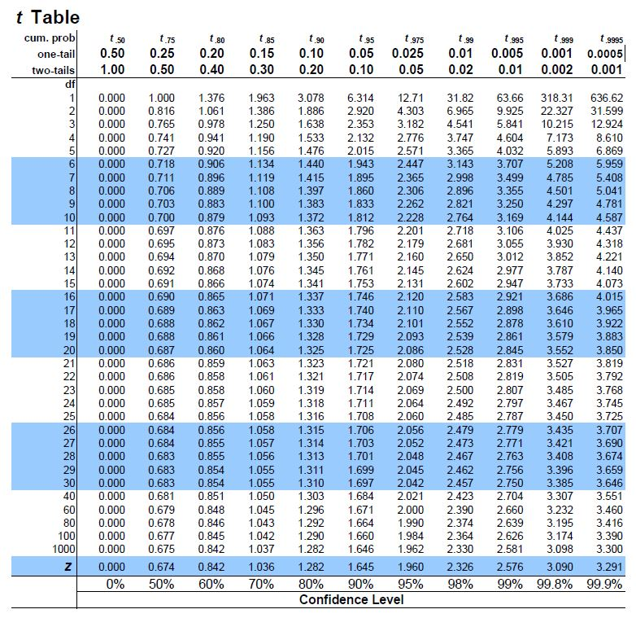

Use the t-critical values for a one-tailed test because you are testing to determine whether or not your treatment will lower the anxiety of the group participants as a whole, not lower or raise it, which would be a two-tailed test. The degrees of freedom (df) would be N - 1 (e.g., 18 - 1 = 17) using the example provided with 18 participants.

